Sheet1
 |  |  |  | 
 |  |  |  |  |  |  |  |  |  | -27 |  | -£2,560.00
Brand | Style | Style Code | Colour | Description | S | M | L | XL | XXL | Total Qty | RRP | Total RRP | Image
Hackett | Cotton Pique Polo | HMX1000E | Black | Hackett only logo on left chest and back neck | 0 | 0 | 0 | 0 | 0 | 0 | £80.00 | £- | 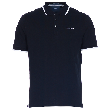
Hackett | Cotton Pique Polo | HMX1000E | White | Hackett only logo on left chest and back neck | -1 | 0 | 0 | 0 | 0 | -1 | £80.00 | -£80.00 | 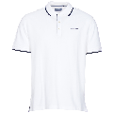
Hackett | Cotton Pique Polo | HMX1000E | Atlantic | Hackett only logo on left chest and back neck | 0 | 0 | 0 | 0 | 0 | 0 | £80.00 | £- | 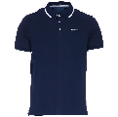
Hackett | Cotton Pique Polo | HMX1000E | Metal Heather | Hackett only logo on left chest and back neck | 0 | 0 | 4 | -4 | 0 | 0 | £80.00 | £- | 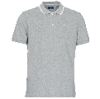
Hackett | Cotton Pique Polo | HMX1000E | Yonder | Hackett only logo on left chest and back neck | 0 | 0 | 0 | 0 | 0 | 0 | £80.00 | £- | 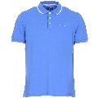
Hackett | Cotton Pique Polo | HMX1000E | Dark Green | Hackett only logo on left chest and back neck | 0 | 0 | 0 | 0 | 0 | 0 | £80.00 | £- | 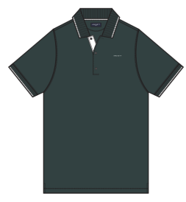
Hackett | Cotton Pique Polo | HMX1000E | Jester | Hackett only logo on left chest and back neck | 0 | 0 | 0 | 0 | 0 | 0 | £80.00 | £- | 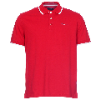
Hackett | Cotton Pique Polo | HMX1000E | Snorkel | Hackett only logo on left chest and back neck | 0 | 6 | -5 | 0 | 0 | 1 | £80.00 | £80.00 | 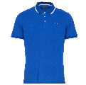
Hackett | Washed Jersey Polo | HMX1004E | Black | Hackett only logo on left chest and back neck | 0 | 0 | 0 | 0 | 0 | 0 | £80.00 | £- | 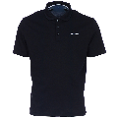
Hackett | Washed Jersey Polo | HMX1004E | White | Hackett only logo on left chest and back neck | 0 | 0 | 0 | 0 | 0 | 0 | £80.00 | £- | 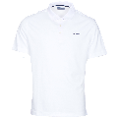
Hackett | Washed Jersey Polo | HMX1004E | Atlantic | Hackett only logo on left chest and back neck | 0 | 0 | 0 | 0 | 0 | 0 | £80.00 | £- | 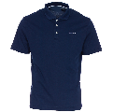
Hackett | Washed Jersey Polo | HMX1004E | Metal Heather | Hackett only logo on left chest and back neck | 0 | 0 | 0 | 0 | 0 | 0 | £80.00 | £- | 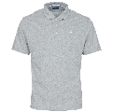
Hackett | Washed Jersey Polo | HMX1004E | Yonder | Hackett only logo on left chest and back neck | -3 | -9 | -12 | -6 | 0 | -30 | £80.00 | -£2,400.00 | 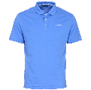
Hackett | Washed Jersey Polo | HMX1004E | Dark Green | Hackett only logo on left chest and back neck | 0 | 0 | 0 | 0 | 0 | 0 | £80.00 | £- | 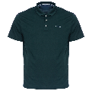
Hackett | Washed Jersey Polo | HMX1004E | Jester | Hackett only logo on left chest and back neck | 0 | 0 | 0 | 0 | 0 | 0 | £80.00 | £- | 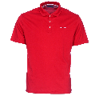
Hackett | Washed Jersey Polo | HMX1004E | Snorkel | Hackett only logo on left chest and back neck | 0 | 0 | 0 | 0 | 0 | 0 | £80.00 | £- | 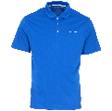
Hackett | Cotton Pique Polo | HMX1005D | Black/Snorkel | Hackett only logo on left chest | 0 | 0 | 0 | 0 | 0 | 0 | £80.00 | £- | 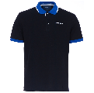
Hackett | Cotton Pique Polo | HMX1005D | Snorkel/Atlantic | Hackett only logo on left chest | 0 | 0 | 0 | 0 | 0 | 0 | £80.00 | £- | 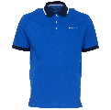
Hackett | Cotton Pique Polo | HMX1005D | Atlantic/Yonder | Hackett only logo on left chest | 0 | 0 | 0 | 0 | 0 | 0 | £80.00 | £- | 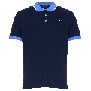
Hackett | Cotton Pique Polo | HMX1005D | White/Yonder | Hackett only logo on left chest | 0 | 0 | 0 | 0 | 0 | 0 | £80.00 | £- | 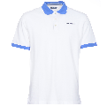
Hackett | Cotton Pique Polo | HMX1005D | Jester/Atlantic | Hackett only logo on left chest | 0 | 0 | 0 | 0 | 0 | 0 | £80.00 | £- | 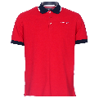
Hackett | Cotton Pique Polo with contrast sleeves | HMX1008B | White | Big logo on chest | 0 | 0 | 0 | 0 | 0 | 0 | £90.00 | £- | 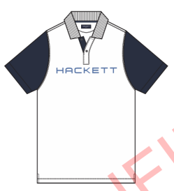
Hackett | Cotton Pique Polo with contrast sleeves | HMX1008B | Snorkel | Big logo on chest | 0 | 0 | 0 | 0 | 0 | 0 | £90.00 | £- | 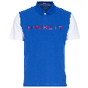
Hackett | Cotton Pique Polo with contrast sleeves | HMX1008B | Black | Big logo on chest | 0 | 0 | 0 | 0 | 0 | 0 | £90.00 | £- | 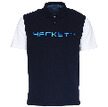
Hackett | Cotton Pique Polo with contrast sleeves | HMX1008B | Metal Heather | Big logo on chest | 0 | 3 | 9 | 1 | 0 | 13 | £90.00 | £1,170.00 | 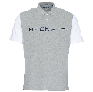
Hackett | Cotton Pique Polo | HMX1006F | Snorkel | Hackett only logo on left chest | 0 | 0 | 0 | 0 | 0 | 0 | £80.00 | £- | 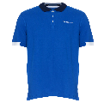
Hackett | Cotton Pique Polo | HMX1006F | Jester | Hackett only logo on left chest | 0 | 0 | 0 | 0 | 0 | 0 | £80.00 | £- | 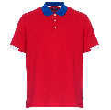
Hackett | Cotton Pique Polo | HMX1006F | Black | Hackett only logo on left chest | 3 | 9 | 12 | 6 | 0 | 30 | £80.00 | £2,400.00 | 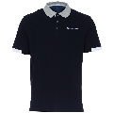
Hackett | Cotton Pique Polo | HMX1006F | White | Hackett only logo on left chest | 0 | 0 | -1 | 0 | 0 | -1 | £80.00 | -£80.00 | 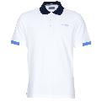
Hackett | Cotton Pique Polo | HMX1006F | Metal Heather | Hackett only logo on left chest | 0 | 0 | 0 | 0 | 0 | 0 | £80.00 | £- | 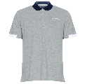
Hackett | Cotton Pique Polo | HMX1006F | Atlantic | Hackett only logo on left chest | 0 | 0 | 0 | 0 | 0 | 0 | £80.00 | £- | 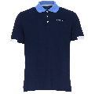
Hackett | Cotton Pique Polo | HMX1007B | White | Big logo on chest | 0 | 0 | 0 | 0 | 0 | 0 | £90.00 | £- | 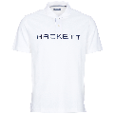
Hackett | Cotton Pique Polo | HMX1007B | Atlantic | Big logo on chest | 0 | 0 | 0 | 0 | 0 | 0 | £90.00 | £- | 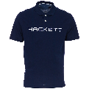
Hackett | Cotton Pique Polo | HMX1007B | Black | Big logo on chest | -1 | 0 | 0 | 0 | 0 | -1 | £90.00 | -£90.00 | 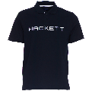
Hackett | Cotton Pique Polo | HMX1007B | Metal Heather | Big logo on chest | 0 | -4 | -10 | 0 | 0 | -14 | £90.00 | -£1,260.00 | 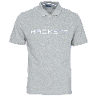
Hackett | Cotton Pique Polo | HMX1007B | Snorkel | Big logo on chest | 0 | 0 | 0 | 0 | 0 | 0 | £90.00 | £- | 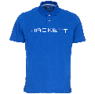
Hackett | Cotton Pique Polo | HMX1007B | Jester | Big logo on chest | 0 | 0 | 0 | 0 | 0 | 0 | £90.00 | £- | 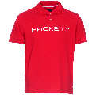
Hackett | Cotton Pique Polo | HMX1007B | Dark Green | Big logo on chest | 0 | 0 | 0 | 0 | 0 | 0 | £90.00 | £- | 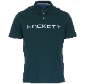
Hackett | Cotton Pique Polo | HMX1007B | Yonder | Big logo on chest | -3 | -9 | -12 | -6 | 0 | -30 | £90.00 | -£2,700.00 | 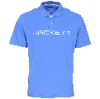
Hackett | V-neck sweater | HMX5000F | Atlantic | Hackett only logo on left chest | 0 | 0 | 0 | 0 | 0 | 0 | £100.00 | £- | 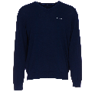
Hackett | V-neck sweater | HMX5000F | Yonder | Hackett only logo on left chest | 0 | 0 | 0 | 0 | 0 | 0 | £100.00 | £- | 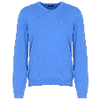
Hackett | V-neck sweater | HMX5000F | Metal Heather | Hackett only logo on left chest | 0 | 0 | 1 | 0 | 0 | 1 | £100.00 | £100.00 | 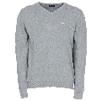
Hackett | V-neck sweater | HMX5000F | Black | Hackett only logo on left chest | 0 | 0 | 0 | 0 | 0 | 0 | £100.00 | £- | 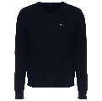
Hackett | Crew Neck Tee | HMX2000D | Black | Hackett only logo on left chest | 0 | 0 | 0 | 0 | 0 | 0 | £60.00 | £- | 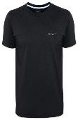
Hackett | Crew Neck Tee | HMX2000D | Heather | Hackett only logo on left chest | 0 | 0 | 0 | 0 | 0 | 0 | £60.00 | £- | 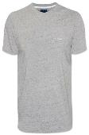
Hackett | Crew Neck Tee | HMX2000D | Atlantic | Hackett only logo on left chest | 0 | 0 | 0 | 0 | 0 | 0 | £60.00 | £- | 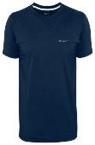
Hackett | Crew Neck Tee | HMX2000D | White | Hackett only logo on left chest | 0 | 0 | 0 | 0 | 0 | 0 | £60.00 | £- | 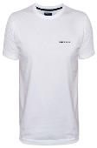
Hackett | Crew Neck Tee | HMX2000D | Jester | Hackett only logo on left chest | 0 | 4 | 0 | 1 | 0 | 5 | £60.00 | £300.00 | 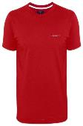
 |  |  |  |  | -5 | 0 | -14 | -8 | 0

